GET
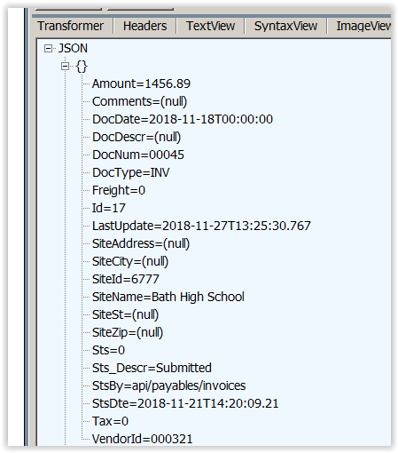
METHOD | ROUTE | DESCRIPTION | RESPONSE
GET | {server}/api/payables/invoices/ | Currently Invalid | Invalid Request, requires VendorId
GET | {server}/api/payables/invoices/search?vid=000321&fdate=11-2-18&tdate=11-21-18&sw=0 | Returns invoice status/progress information in summary form. If sw=0 returns all invoice status occurrences (log form, multiple entries per DocNum). If Sw=1 then only returns current status for DocNum. | Json Form for each record:

Ex sw=0 (Multiple Entries for VendorId/DocNum showing history)

Ex sw=1 (shows only current status, single entry for Vendorid/DocNum)

